Overview
Overview
Release FY 2024

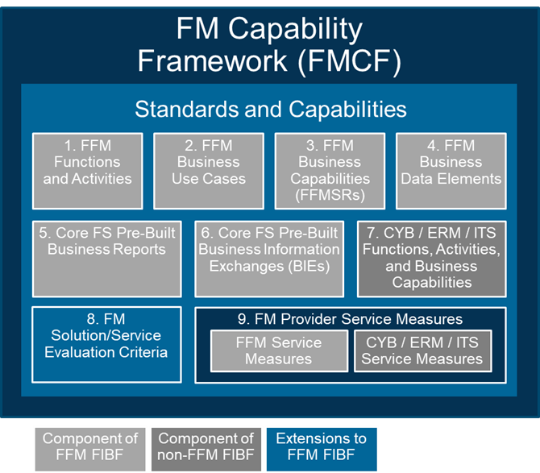
Core FS Pre-Built Business Information Exchanges (BIEs)
FMCF Context | The Financial Management Capability Framework (FMCF) provides a common set of FM standards and capabilities that are the foundation for all offerings in the FM QSMO Marketplace. The Core FS Pre-Built Business Information Exchanges (BIEs) are component 6 of the FMCF. Refer to the FM QSMO Marketplace Overview for a description of each FMCF component and how the components relate to each other.
Workbook Tab | Description
Cover | Provides the FMCF artifact title and version identification.
Change Log | Describes the change(s) that have occurred with the Pre-Built Business Information Exchanges and the rationale for the change.
Overview | Lists each workbook tab and provides an explanation of the content.
BIE Principles and Assumptions
Objective | This tab provides business rules that govern the generation of FFM Transactions from both the FFM and other Functional Areas' perspectives. The assumptions provided for other Functional Areas include information on when and why specific FFM Transaction Types are generated or not generated, and align with the other Functional Area's FIBF Business Use Case events and Business Capabilities. A visualization of FIBF FFM Data Groups is also provided to assist with understanding the FFM Transaction Data Elements List.
FFM BIE Principles and Assumptions | This section of the tab provides an identifier and description of the FFM principles and assumptions that govern the scope and content of BIEs and generation of FFM Transactions by all other Functional Areas.
ACQ-Specific BIE Assumptions | This section of the tab provides an identifier and description of the ACQ-specific BIE assumptions that apply to the generation of FFM Transactions by the ACQ Functional Area.
GRM-Specific BIE Assumptions | This section of the tab provides an identifier and description of the GRM-specific BIE assumptions that apply to the generation of FFM Transactions by the GRM Functional Area.
RPM-Specific BIE Assumptions | This section of the tab provides an identifier and description of the RPM-specific BIE assumptions that apply to the generation of FFM Transactions by the RPM Functional Area.
TRT-Specific BIE Assumptions | This section of the tab provides an identifier and description of the TRT-specific BIE assumptions that apply to the generation of FFM Transactions by the TRT Functional Area.
HCM Payroll-Specific BIE Assumptions | This section of the tab provides an identifier and description of the HCM Payroll-specific BIE assumptions that apply to the generation of FFM Transactions by the HCM Functional Area.
GSA SAM-Specific BIE Assumptions | This section of the tab provides an identifier and description of the GSA SAM-specific BIE assumptions that apply to the exchange of information between the GSA SAM system and Core FS Baseline Solution.
G-Invoicing-Specific BIE Assumptions | This section of the tab provides an identifier and description of the G-Invoicing-specific BIE assumptions that apply to the exchange of information between the G-Invoicing system and Core FS Baseline Solution.
Core FS Pre-Built BIE List
Objective | This tab provides an inventory of Federal government centralized services' systems and other Functional Areas' solutions with which the Core FS Baseline Solution is expected to exchange information.
Centralized Service / Functional Area | This column indicates whether the system/solution expected to exchange information with the Core FS Baseline Solution is a Federal government centralized service's system or a solution from another Functional Area.
System Exchanging Information with Core FS Baseline Solution | This column contains the name of the centralized service's system or other Functional Area's solution that exchanges information with the Core FS Baseline Solution.
System Description | This column provides a description of the system/solution and its functionality.
System Information URL | This column provides the website location to obtain additional information about the system/solution.
System Manager | This column provides the name of the Federal agency managing the system/solution or indicates whether Federal agencies manage system implementation themselves and/or on behalf of other Federal agencies.
BIE Required / Conditionally Required / Future Requirement | This column indicates whether the BIE is required, conditionally required (and under what scenario), or a future requirement for the Core FS Baseline Solution.
Core FS Incoming/Outgoing Information | This column indicates whether the BIE is an incoming or outbound information flow with the Core FS Baseline Solution.
BIE Specification | This column provides the location of the BIE specification.
FFM Txn Data Element List
Objective | This tab provides the subset of FIBF FFM Standard Data Elements selected for inclusion in each type of FFM Transaction between FFM and other Functional Areas.
FIBF FFM: Data Element Label | This column provides the label of the FFM Data Element.
FIBF FFM: Data Element Definition | This column provides the business definition of the FFM Data Element.
FIBF FFM: Data Group Name | This column provides the list of FFM Transaction data groups to which the FFM Data Element belongs.
FIBF FFM: Domain Values | This column provides the list of valid values when needed for a specific FFM Data Element.
BIE: Required/Optional/Conditional | When an FFM Data Element is applicable to an FFM Transaction Type, this column provides the information needed to determine whether the FFM Data Element is always required, optional, or required under only specific business conditions.
Entity-Payee/Payer Maintenance | This column indicates whether the FFM Data Element is applicable to the Entity-Payee/Payer Maintenance type of FFM Transaction.
Requisition-Commitment | This column indicates whether the FFM Data Element is applicable to the Requisition-Commitment type of FFM Transaction.
Order-Obligation | This column indicates whether the FFM Data Element is applicable to the Order-Obligation type of FFM Transaction.
Receipt and Acceptance-Accrual | This column indicates whether the FFM Data Element is applicable to the Receipt and Acceptance-Accrual type of FFM Transaction.
Invoice-Payable | This column indicates whether the FFM Data Element is applicable to the Invoice-Payable type of FFM Transaction.
Billing Invoice-Receivable | This column indicates whether the FFM Data Element is applicable to the Billing Invoice-Receivable type of FFM Transaction.
Public Receipt-Collection | This column indicates whether the FFM Data Element is applicable to the Public Receipt-Collection type of FFM Transaction.
Journal Voucher | This column indicates whether the FFM Data Element is applicable to the Journal Voucher type of FFM Transaction.
ACQ-FFM BIE GRM-FFM BIE RPM-FFM BIE TRT-FFM BIE
Objective | Each tab provides BIE data element labels and business logic for Federal Financial Management (FFM) Transactions generated by another Functional Area.
FIBF FFM: Data Element Label | This column provides the label of the FFM Data Element.
FIBF FFM: Data Element Definition | This column provides the business definition of the FFM Data Element.
FIBF FFM: Data Group Name | This column provides the list of FFM Transaction data groups to which the FFM Data Element belongs.
FIBF FFM: Domain Values | This column provides the list of valid values when needed for a specific FFM Data Element.
BIE: Applicable FFM Transaction Type(s) | This column provides a list of the FFM Transaction Types for which the FFM Data Element is applicable.
BIE: Required/Optional/Conditional | When an FFM Data Element is applicable to an FFM Transaction Type, this column provides the information needed to determine whether the FFM Data Element is always required, optional, or required under only specific business conditions.
FIBF [Functional Area Acronym]: Data Element Label | For the FFM Transaction Type specified, this column provides the label of the other Functional Area's data element(s) to be used to populate the FFM Data Element. "N/A" will appear in this column if a specific FFM Data Element does not apply to the FFM Transaction Type specified or the type of FFM Transaction is not applicable to the Functional Area.
FIBF [Functional Area Acronym]-FFM: BIE Logic (Business Rules) | For the FFM Transaction Type specified, this column provides the business logic (business rules) used by the other Functional Area to populate the FFM Data Element. "N/A" will appear in this column if a specific FFM Data Element does not apply to the FFM Transaction Type specified or the type of FFM Transaction is not applicable to the Functional Area.
[Functional Area Acronym] Business Use Case | When needed, this column provides the identifier and name of the Functional Area's business use case that contains events resulting in a Business Information Exchange.
[Functional Area Acronym] Business Use Case Event | When needed, this column provides the event description and identifiers in the Functional Area's business use case that result in a Business Information Exchange.
GSA SAM-FFM BIE
Objective | This tab provides BIE data element labels and business logic for Federal Financial Management (FFM) data elements generated by GSA SAM.
FIBF FFM: Data Element Label | This column provides the label of the FFM Data Element.
FIBF FFM: Data Element Definition | This column provides the business definition of the FFM Data Element.
FIBF FFM: Domain Values | This column provides the list of valid values when needed for a specific FFM Data Element.
GSA SAM: Data Element Label | For the FFM Transaction Type specified, this column provides the label of the other Functional Area's data element(s) to be used to populate the FFM Data Element. "N/A" will appear in this column if a specific FFM Data Element does not apply to the FFM Transaction Type specified or the type of FFM Transaction is not applicable to the Functional Area.
GSA SAM-FFM: BIE Logic (Business Rules) | For the FFM Transaction Type specified, this column provides the business logic (business rules) used by the other Functional Area to populate the FFM Data Element. "N/A" will appear in this column if a specific FFM Data Element does not apply to the FFM Transaction Type specified or the type of FFM Transaction is not applicable to the Functional Area.
FFM-DATA Act Files BIE
Objective | This tab provides BIE data element labels and business logic for DATA Act data elements generated by Federal Financial Management (FFM).
Structured Sort Order Element Number Data Element Label Definition Example Value Required/ Optional Valid Data Type Max Field Length Instructions Terse 30 Label | These columns provide the information for the DATA Act submission files. They are defined in the "RSS Overview" tab in the DAIMS rss-v2 workbook found at https://fiscal.treasury.gov/files/data-transparency/rss-v2.1.xlsx.
FFM Data Element Label | For the DATA Act File data element specified, this column provides the label of the FFM data element(s) to be used to populate the DATA Act data element.
FFM Data Element BIE Logic (Business Rules) | For the DATA Act File data element specified, this column provides business logic (business rules) used by FFM to populate the DATA Act data element.
FFM-GTAS BIE
Objective | This tab provides BIE data element labels and business logic for GTAS data elements generated by Federal Financial Management (FFM).
Field Name | This column provides the name of the GTAS data element.
Length | This column provides the length of the GTAS field.
Starting Position | For a file using a fixed field length format, this column indicates the starting position of the field.
Ending Position | For a file using a fixed field length format, this column indicates the ending position of the field.
Description | This column provides the definition of the GTAS data element.
Domain Values | This column provides the list of valid values when needed for a specific GTAS data element.
FFM Data Element Label | For the GTAS data element specified, this column provides the label of the FFM data element(s) to be used to populate the GTAS data element.
FFM Data Element BIE Logic (Business Rules) | For the GTAS data element specified, this column provides business logic (business rules) used by FFM to populate the GTAS data element.

